Sheet2
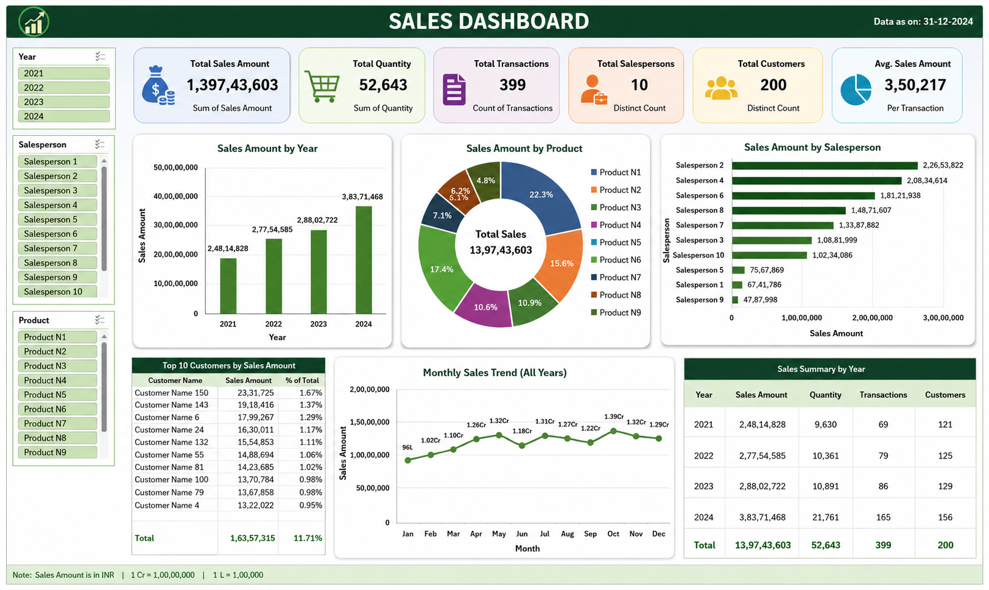

Sheet3
Total Sales
₹ 476,884,225.98
Sales amount by product
 | Total
Product N1 | 32,889,141
Product N2 | 68,979,431
Product N3 | 38,584,047
Product N4 | 69,405,218
Product N5 | 71,503,451
Product N6 | 54,140,440
Product N7 | 55,340,609
Product N8 | 38,777,680
Product N9 | 47,264,209
Sales Amount by Year
 | Total
2021 | 96,776,538
2022 | 108,753,359
2023 | 111,014,328
2024 | 160,340,002
 | Row Labels | Sum of Amount
 | Product N1 | 32,889,141
 | Product N2 | 68,979,431
 | Product N3 | 38,584,047
 | Product N4 | 69,405,218 | Total Sales
 | Product N5 | 71,503,451 | ₹ 476,884,225.98
 | Product N6 | 54,140,440
 | Product N7 | 55,340,609
 | Product N8 | 38,777,680
 | Product N9 | 47,264,209
 | Grand Total | 476,884,226

